Use_Case
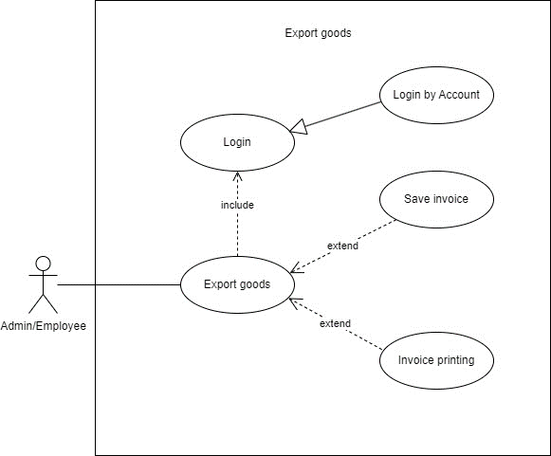
6.2 Xuất kho

Class_Diagram
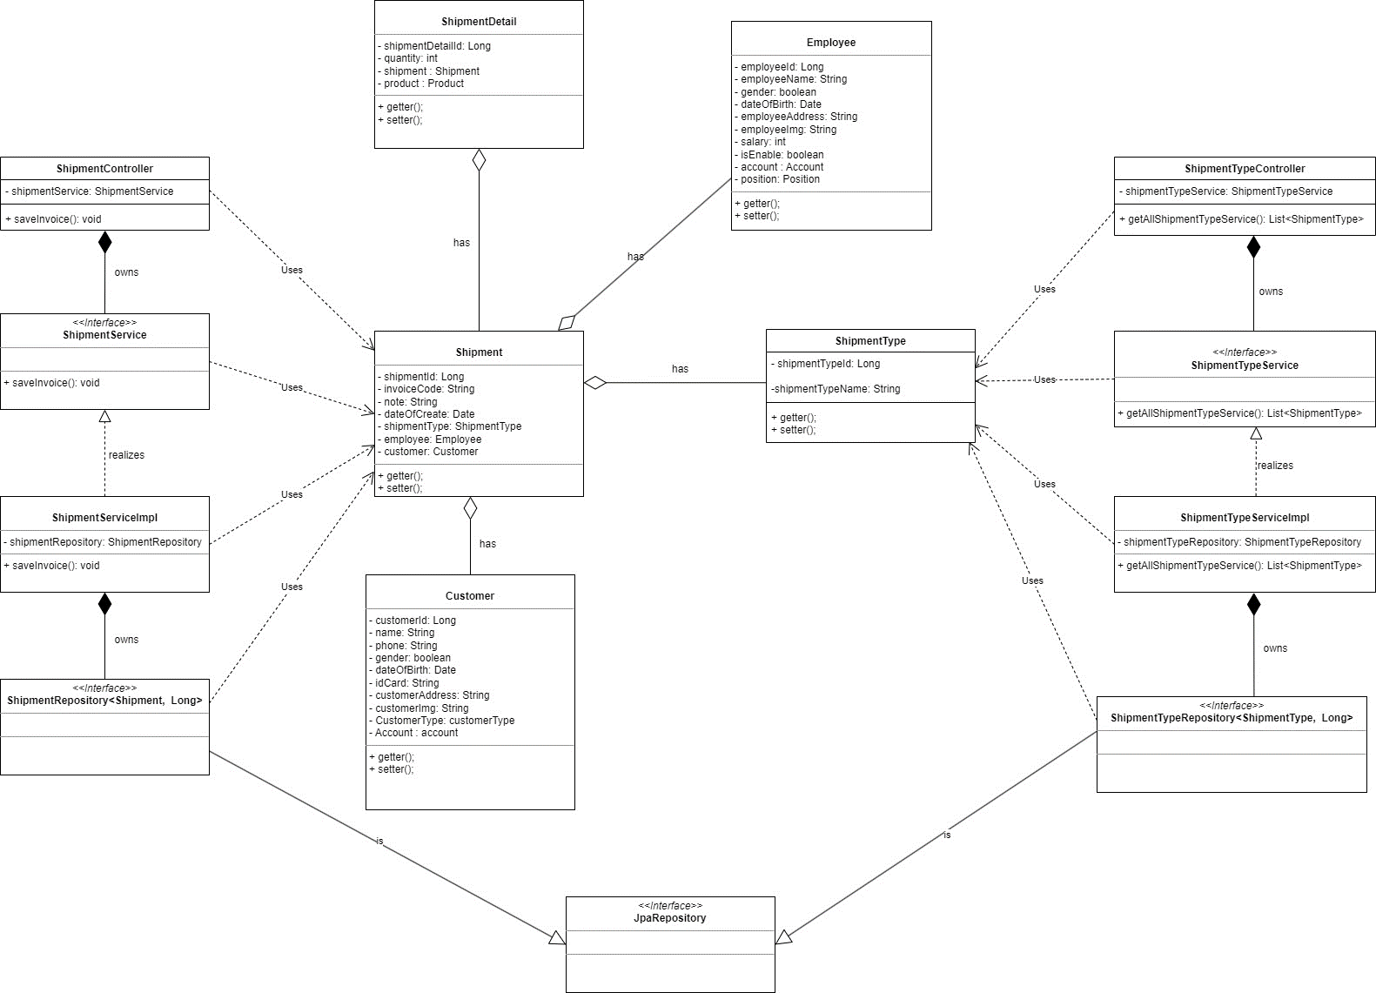
6.2 Xuất kho

Sequence_Diagram
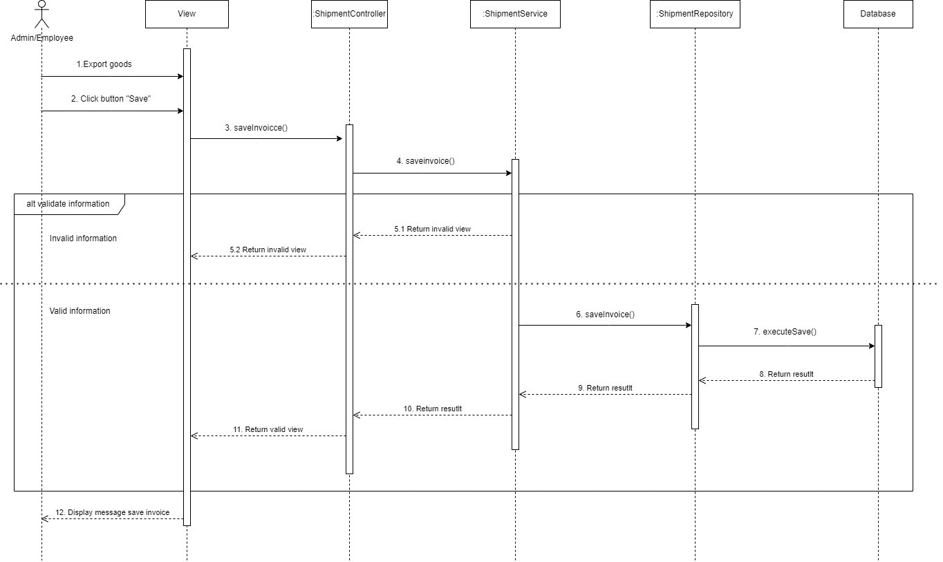
6.2 Xuất kho

